Copy_Image
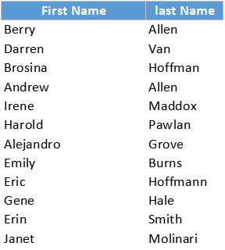
 |  |  | copied as shown on screen
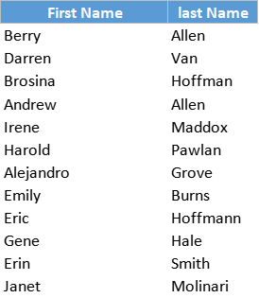
First Name | last Name
Berry | Allen
Darren | Van
Brosina | Hoffman
Andrew | Allen | Copy the Data from the Left Table And Paste it as an Image towards the Right
Irene | Maddox
Harold | Pawlan
Alejandro | Grove
Emily | Burns
Eric | Hoffmann
Gene | Hale
Erin | Smith
Janet | Molinari

 |  |  | copied in a printable manner

